Extrapolación e Interpolación
# | t | method | order | qD | qD.LCL | qD.UCL | SC | SC.LCL | SC.UCL | Assemblage
1 | 1 | interpolated | 0.00 | 1.00 | 0.94 | 1.06 | 0.03 | 0.03 | 0.04 | CA
2 | 55 | interpolated | 0.00 | 28.03 | 26.89 | 29.18 | 0.76 | 0.74 | 0.78 | CA
3 | 110 | interpolated | 0.00 | 36.89 | 35.50 | 38.28 | 0.90 | 0.89 | 0.91 | CA | Notes
4 | 165 | interpolated | 0.00 | 41.17 | 39.68 | 42.65 | 0.94 | 0.94 | 0.95 | CA | t = sample size for which diversity estimates of order q are computed; by default setting (in the left hand side of the screen), t represents the sample size for each of the 40 knots between 1 and the default endpoint (double the reference sample size). On the 'General Setting', you can also either specify the endpoint and knots or specify the samples sizes for which you like to calculate diversity estimates.
5 | 219 | interpolated | 0.00 | 43.65 | 42.11 | 45.18 | 0.96 | 0.96 | 0.97 | CA | method = interpolated, observed, or extrapolated, depending on whether the size t is less than, equal to, or greater than the reference sample size.
6 | 274 | interpolated | 0.00 | 45.30 | 43.73 | 46.88 | 0.98 | 0.97 | 0.98 | CA | order = the diversity order of q you selected in the 'General Setting' on the left hand side of the screen.
7 | 329 | interpolated | 0.00 | 46.46 | 44.85 | 48.06 | 0.98 | 0.98 | 0.99 | CA | qD = the estimated diversity of order q for a sample of size t.
8 | 384 | interpolated | 0.00 | 47.30 | 45.66 | 48.93 | 0.99 | 0.98 | 0.99 | CA | SC = the estimated sample coverage for a sample of size t. |  |  |  | # | t | Método | Orden | qD | qD.LCL | qD.UCL | SC | SC.LCL | SC.UCL | Sitio
9 | 438 | interpolated | 0.00 | 47.92 | 46.26 | 49.58 | 0.99 | 0.99 | 0.99 | CA | qD.LCL, qD.UCL = the bootstrap lower and upper confidence limits for the diversity of order q at the specified level in the setting (with a default value of 0.95). |  |  |  | 1 | 1 | Interpolado | 0.00 | 1.00 | 0.94 | 1.06 | 0.03 | 0.03 | 0.04 | CA
10 | 493 | interpolated | 0.00 | 48.40 | 46.72 | 50.09 | 0.99 | 0.99 | 1.00 | CA | SC.LCL, SC.UCL = the bootstrap lower and upper confidence limits for the expected sample coverage at the specified level in the setting (with a default value of 0.95). |  |  |  | 2 | 55 | Interpolado | 0.00 | 28.03 | 26.89 | 29.18 | 0.76 | 0.74 | 0.78 | CA
11 | 548 | interpolated | 0.00 | 48.78 | 47.07 | 50.49 | 0.99 | 0.99 | 1.00 | CA | tab-4205-4 |  |  |  | 3 | 110 | Interpolado | 0.00 | 36.89 | 35.50 | 38.28 | 0.90 | 0.89 | 0.91 | CA
12 | 602 | interpolated | 0.00 | 49.07 | 47.34 | 50.81 | 1.00 | 0.99 | 1.00 | CA |  |  |  |  | 4 | 165 | Interpolado | 0.00 | 41.17 | 39.68 | 42.65 | 0.94 | 0.94 | 0.95 | CA
13 | 657 | interpolated | 0.00 | 49.31 | 47.54 | 51.07 | 1.00 | 0.99 | 1.00 | CA |  |  |  |  | 5 | 219 | Interpolado | 0.00 | 43.65 | 42.11 | 45.18 | 0.96 | 0.96 | 0.97 | CA
14 | 712 | interpolated | 0.00 | 49.50 | 47.70 | 51.29 | 1.00 | 1.00 | 1.00 | CA |  | (1) Curva de muestreo de rarefacción y extrapolación basada en el tamaño de la muestra |  | (2) Curva de integridad de la muestra | 6 | 274 | Interpolado | 0.00 | 45.30 | 43.73 | 46.88 | 0.98 | 0.97 | 0.98 | CA
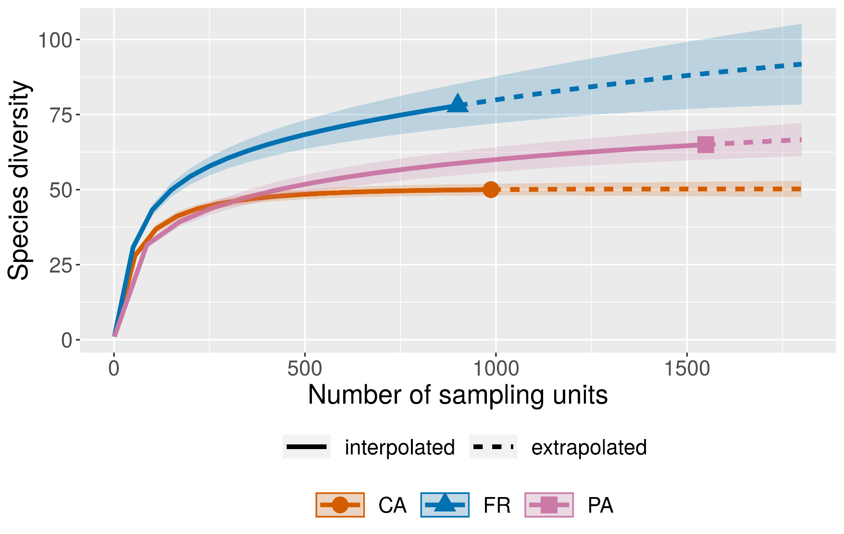
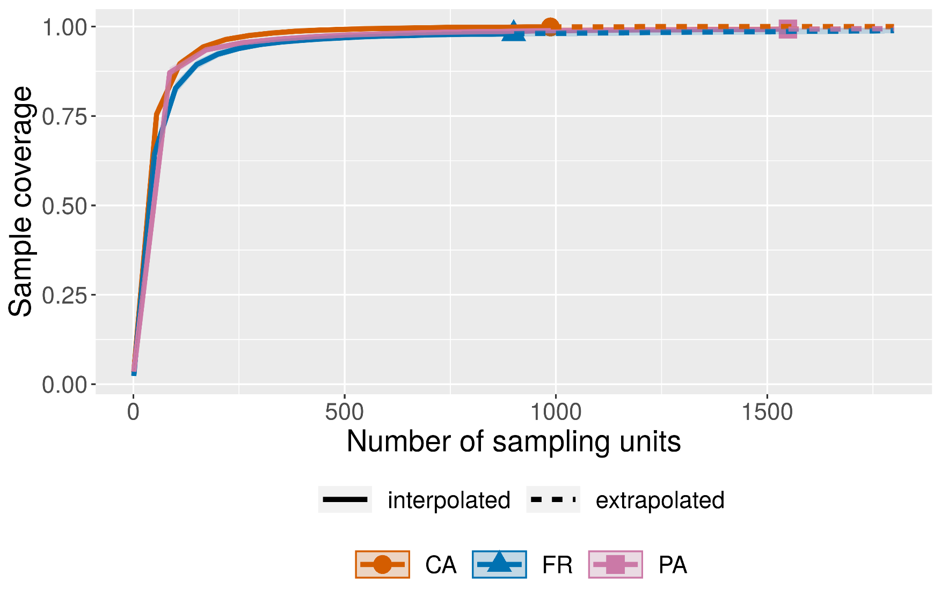
15 | 767 | interpolated | 0.00 | 49.65 | 47.82 | 51.47 | 1.00 | 1.00 | 1.00 | CA |  |  |  |  | 7 | 329 | Interpolado | 0.00 | 46.46 | 44.85 | 48.06 | 0.98 | 0.98 | 0.99 | CA
16 | 821 | interpolated | 0.00 | 49.76 | 47.90 | 51.62 | 1.00 | 1.00 | 1.00 | CA |  |  |  |  | 8 | 384 | Interpolado | 0.00 | 47.30 | 45.66 | 48.93 | 0.99 | 0.98 | 0.99 | CA
17 | 876 | interpolated | 0.00 | 49.86 | 47.96 | 51.76 | 1.00 | 1.00 | 1.00 | CA |  |  |  |  | 9 | 438 | Interpolado | 0.00 | 47.92 | 46.26 | 49.58 | 0.99 | 0.99 | 0.99 | CA
18 | 931 | interpolated | 0.00 | 49.94 | 48.00 | 51.87 | 1.00 | 1.00 | 1.00 | CA |  |  |  |  | 10 | 493 | Interpolado | 0.00 | 48.40 | 46.72 | 50.09 | 0.99 | 0.99 | 1.00 | CA
19 | 986 | interpolated | 0.00 | 50.00 | 48.02 | 51.98 | 1.00 | 1.00 | 1.00 | CA |  |  |  |  | 11 | 548 | Interpolado | 0.00 | 48.78 | 47.07 | 50.49 | 0.99 | 0.99 | 1.00 | CA
20 | 987 | observed | 0.00 | 50.00 | 48.02 | 51.98 | 1.00 | 1.00 | 1.00 | CA |  |  |  |  | 12 | 602 | Interpolado | 0.00 | 49.07 | 47.34 | 50.81 | 1.00 | 0.99 | 1.00 | CA
21 | 988 | extrapolated | 0.00 | 50.00 | 48.02 | 51.98 | 1.00 | 1.00 | 1.00 | CA |  |  |  |  | 13 | 657 | Interpolado | 0.00 | 49.31 | 47.54 | 51.07 | 1.00 | 0.99 | 1.00 | CA
22 | 1030 | extrapolated | 0.00 | 50.04 | 48.02 | 52.06 | 1.00 | 1.00 | 1.00 | CA |  |  |  |  | 14 | 712 | Interpolado | 0.00 | 49.50 | 47.70 | 51.29 | 1.00 | 1.00 | 1.00 | CA
23 | 1073 | extrapolated | 0.00 | 50.07 | 48.01 | 52.13 | 1.00 | 1.00 | 1.00 | CA |  |  |  |  | 15 | 767 | Interpolado | 0.00 | 49.65 | 47.82 | 51.47 | 1.00 | 1.00 | 1.00 | CA
24 | 1116 | extrapolated | 0.00 | 50.10 | 48.00 | 52.21 | 1.00 | 1.00 | 1.00 | CA |  |  |  |  | 16 | 821 | Interpolado | 0.00 | 49.76 | 47.90 | 51.62 | 1.00 | 1.00 | 1.00 | CA
25 | 1158 | extrapolated | 0.00 | 50.13 | 47.98 | 52.27 | 1.00 | 1.00 | 1.00 | CA |  |  |  |  | 17 | 876 | Interpolado | 0.00 | 49.86 | 47.96 | 51.76 | 1.00 | 1.00 | 1.00 | CA
26 | 1201 | extrapolated | 0.00 | 50.15 | 47.96 | 52.34 | 1.00 | 1.00 | 1.00 | CA |  |  |  |  | 18 | 931 | Interpolado | 0.00 | 49.94 | 48.00 | 51.87 | 1.00 | 1.00 | 1.00 | CA
27 | 1244 | extrapolated | 0.00 | 50.16 | 47.93 | 52.40 | 1.00 | 1.00 | 1.00 | CA |  |  |  |  | 19 | 986 | Interpolado | 0.00 | 50.00 | 48.02 | 51.98 | 1.00 | 1.00 | 1.00 | CA
28 | 1287 | extrapolated | 0.00 | 50.18 | 47.89 | 52.46 | 1.00 | 1.00 | 1.00 | CA |  |  |  |  | 20 | 987 | Observado | 0.00 | 50.00 | 48.02 | 51.98 | 1.00 | 1.00 | 1.00 | CA
29 | 1329 | extrapolated | 0.00 | 50.19 | 47.86 | 52.52 | 1.00 | 1.00 | 1.00 | CA |  |  |  |  | 21 | 988 | Extrapolado | 0.00 | 50.00 | 48.02 | 51.98 | 1.00 | 1.00 | 1.00 | CA
30 | 1372 | extrapolated | 0.00 | 50.20 | 47.82 | 52.57 | 1.00 | 1.00 | 1.00 | CA |  |  |  |  | 22 | 1030 | Extrapolado | 0.00 | 50.04 | 48.02 | 52.06 | 1.00 | 1.00 | 1.00 | CA
31 | 1415 | extrapolated | 0.00 | 50.21 | 47.78 | 52.63 | 1.00 | 1.00 | 1.00 | CA |  |  |  |  | 23 | 1073 | Extrapolado | 0.00 | 50.07 | 48.01 | 52.13 | 1.00 | 1.00 | 1.00 | CA
32 | 1458 | extrapolated | 0.00 | 50.21 | 47.74 | 52.69 | 1.00 | 1.00 | 1.00 | CA |  |  |  |  | 24 | 1116 | Extrapolado | 0.00 | 50.10 | 48.00 | 52.21 | 1.00 | 1.00 | 1.00 | CA
33 | 1500 | extrapolated | 0.00 | 50.22 | 47.70 | 52.74 | 1.00 | 1.00 | 1.00 | CA |  |  |  |  | 25 | 1158 | Extrapolado | 0.00 | 50.13 | 47.98 | 52.27 | 1.00 | 1.00 | 1.00 | CA
34 | 1543 | extrapolated | 0.00 | 50.22 | 47.65 | 52.79 | 1.00 | 1.00 | 1.00 | CA |  |  |  |  | 26 | 1201 | Extrapolado | 0.00 | 50.15 | 47.96 | 52.34 | 1.00 | 1.00 | 1.00 | CA
35 | 1586 | extrapolated | 0.00 | 50.23 | 47.61 | 52.85 | 1.00 | 1.00 | 1.00 | CA |  |  |  |  | 27 | 1244 | Extrapolado | 0.00 | 50.16 | 47.93 | 52.40 | 1.00 | 1.00 | 1.00 | CA
36 | 1629 | extrapolated | 0.00 | 50.23 | 47.57 | 52.90 | 1.00 | 1.00 | 1.00 | CA |  |  |  |  | 28 | 1287 | Extrapolado | 0.00 | 50.18 | 47.89 | 52.46 | 1.00 | 1.00 | 1.00 | CA
37 | 1671 | extrapolated | 0.00 | 50.23 | 47.52 | 52.95 | 1.00 | 1.00 | 1.00 | CA |  |  |  |  | 29 | 1329 | Extrapolado | 0.00 | 50.19 | 47.86 | 52.52 | 1.00 | 1.00 | 1.00 | CA
38 | 1714 | extrapolated | 0.00 | 50.24 | 47.48 | 53.00 | 1.00 | 1.00 | 1.00 | CA |  |  |  |  | 30 | 1372 | Extrapolado | 0.00 | 50.20 | 47.82 | 52.57 | 1.00 | 1.00 | 1.00 | CA
39 | 1757 | extrapolated | 0.00 | 50.24 | 47.43 | 53.05 | 1.00 | 1.00 | 1.00 | CA |  |  |  |  | 31 | 1415 | Extrapolado | 0.00 | 50.21 | 47.78 | 52.63 | 1.00 | 1.00 | 1.00 | CA
40 | 1800 | extrapolated | 0.00 | 50.24 | 47.39 | 53.09 | 1.00 | 1.00 | 1.00 | CA |  |  |  |  | 32 | 1458 | Extrapolado | 0.00 | 50.21 | 47.74 | 52.69 | 1.00 | 1.00 | 1.00 | CA
41 | 1 | interpolated | 0.00 | 1.00 | 0.96 | 1.04 | 0.04 | 0.03 | 0.04 | PA |  |  |  |  | 33 | 1500 | Extrapolado | 0.00 | 50.22 | 47.70 | 52.74 | 1.00 | 1.00 | 1.00 | CA
42 | 86 | interpolated | 0.00 | 31.64 | 30.54 | 32.74 | 0.87 | 0.86 | 0.88 | PA |  |  |  |  | 34 | 1543 | Extrapolado | 0.00 | 50.22 | 47.65 | 52.79 | 1.00 | 1.00 | 1.00 | CA
43 | 172 | interpolated | 0.00 | 39.27 | 37.68 | 40.87 | 0.94 | 0.93 | 0.94 | PA |  |  |  |  | 35 | 1586 | Extrapolado | 0.00 | 50.23 | 47.61 | 52.85 | 1.00 | 1.00 | 1.00 | CA
44 | 258 | interpolated | 0.00 | 43.92 | 41.97 | 45.87 | 0.96 | 0.95 | 0.96 | PA |  |  |  |  | 36 | 1629 | Extrapolado | 0.00 | 50.23 | 47.57 | 52.90 | 1.00 | 1.00 | 1.00 | CA
45 | 344 | interpolated | 0.00 | 47.32 | 45.08 | 49.57 | 0.97 | 0.96 | 0.97 | PA |  |  |  |  | 37 | 1671 | Extrapolado | 0.00 | 50.23 | 47.52 | 52.95 | 1.00 | 1.00 | 1.00 | CA
46 | 430 | interpolated | 0.00 | 50.00 | 47.50 | 52.50 | 0.97 | 0.97 | 0.98 | PA |  |  | (3) Curva de muestreo de rarefacción y extrapolación basada en la cobertura |  | 38 | 1714 | Extrapolado | 0.00 | 50.24 | 47.48 | 53.00 | 1.00 | 1.00 | 1.00 | CA
47 | 516 | interpolated | 0.00 | 52.19 | 49.47 | 54.91 | 0.98 | 0.97 | 0.98 | PA |  |  |  |  | 39 | 1757 | Extrapolado | 0.00 | 50.24 | 47.43 | 53.05 | 1.00 | 1.00 | 1.00 | CA
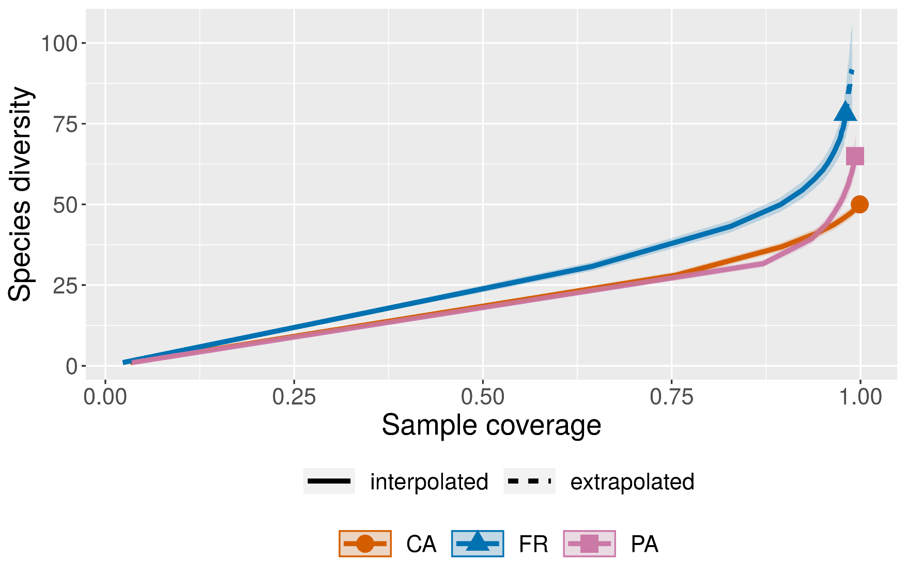
48 | 602 | interpolated | 0.00 | 54.04 | 51.11 | 56.96 | 0.98 | 0.98 | 0.98 | PA |  |  |  |  | 40 | 1800 | Extrapolado | 0.00 | 50.24 | 47.39 | 53.09 | 1.00 | 1.00 | 1.00 | CA
49 | 688 | interpolated | 0.00 | 55.63 | 52.52 | 58.74 | 0.98 | 0.98 | 0.99 | PA |  |  |  |  | 41 | 1 | Interpolado | 0.00 | 1.00 | 0.96 | 1.04 | 0.04 | 0.03 | 0.04 | PA
50 | 774 | interpolated | 0.00 | 57.03 | 53.74 | 60.31 | 0.99 | 0.98 | 0.99 | PA |  |  |  |  | 42 | 86 | Interpolado | 0.00 | 31.64 | 30.54 | 32.74 | 0.87 | 0.86 | 0.88 | PA
51 | 860 | interpolated | 0.00 | 58.27 | 54.82 | 61.72 | 0.99 | 0.98 | 0.99 | PA |  |  |  |  | 43 | 172 | Interpolado | 0.00 | 39.27 | 37.68 | 40.87 | 0.94 | 0.93 | 0.94 | PA
52 | 946 | interpolated | 0.00 | 59.39 | 55.79 | 63.00 | 0.99 | 0.98 | 0.99 | PA |  |  |  |  | 44 | 258 | Interpolado | 0.00 | 43.92 | 41.97 | 45.87 | 0.96 | 0.95 | 0.96 | PA
53 | 1032 | interpolated | 0.00 | 60.41 | 56.65 | 64.16 | 0.99 | 0.99 | 0.99 | PA |  |  |  |  | 45 | 344 | Interpolado | 0.00 | 47.32 | 45.08 | 49.57 | 0.97 | 0.96 | 0.97 | PA
54 | 1118 | interpolated | 0.00 | 61.33 | 57.43 | 65.24 | 0.99 | 0.99 | 0.99 | PA |  |  |  |  | 46 | 430 | Interpolado | 0.00 | 50.00 | 47.50 | 52.50 | 0.97 | 0.97 | 0.98 | PA
55 | 1204 | interpolated | 0.00 | 62.18 | 58.14 | 66.23 | 0.99 | 0.99 | 0.99 | PA |  |  |  |  | 47 | 516 | Interpolado | 0.00 | 52.19 | 49.47 | 54.91 | 0.98 | 0.97 | 0.98 | PA
56 | 1290 | interpolated | 0.00 | 62.96 | 58.78 | 67.15 | 0.99 | 0.99 | 0.99 | PA |  |  |  |  | 48 | 602 | Interpolado | 0.00 | 54.04 | 51.11 | 56.96 | 0.98 | 0.98 | 0.98 | PA
57 | 1376 | interpolated | 0.00 | 63.69 | 59.36 | 68.02 | 0.99 | 0.99 | 1.00 | PA |  |  |  |  | 49 | 688 | Interpolado | 0.00 | 55.63 | 52.52 | 58.74 | 0.98 | 0.98 | 0.99 | PA
58 | 1462 | interpolated | 0.00 | 64.36 | 59.89 | 68.84 | 0.99 | 0.99 | 1.00 | PA |  |  |  |  | 50 | 774 | Interpolado | 0.00 | 57.03 | 53.74 | 60.31 | 0.99 | 0.98 | 0.99 | PA
59 | 1548 | interpolated | 0.00 | 64.99 | 60.37 | 69.61 | 0.99 | 0.99 | 1.00 | PA |  |  |  |  | 51 | 860 | Interpolado | 0.00 | 58.27 | 54.82 | 61.72 | 0.99 | 0.98 | 0.99 | PA
60 | 1549 | observed | 0.00 | 65.00 | 60.38 | 69.62 | 0.99 | 0.99 | 1.00 | PA |  |  |  |  | 52 | 946 | Interpolado | 0.00 | 59.39 | 55.79 | 63.00 | 0.99 | 0.98 | 0.99 | PA
61 | 1550 | extrapolated | 0.00 | 65.01 | 60.39 | 69.63 | 0.99 | 0.99 | 1.00 | PA |  |  |  |  | 53 | 1032 | Interpolado | 0.00 | 60.41 | 56.65 | 64.16 | 0.99 | 0.99 | 0.99 | PA
62 | 1563 | extrapolated | 0.00 | 65.10 | 60.46 | 69.74 | 0.99 | 0.99 | 1.00 | PA |  |  |  |  | 54 | 1118 | Interpolado | 0.00 | 61.33 | 57.43 | 65.24 | 0.99 | 0.99 | 0.99 | PA
63 | 1576 | extrapolated | 0.00 | 65.19 | 60.52 | 69.86 | 0.99 | 0.99 | 1.00 | PA |  |  |  |  | 55 | 1204 | Interpolado | 0.00 | 62.18 | 58.14 | 66.23 | 0.99 | 0.99 | 0.99 | PA
64 | 1589 | extrapolated | 0.00 | 65.28 | 60.59 | 69.97 | 0.99 | 0.99 | 1.00 | PA |  |  |  |  | 56 | 1290 | Interpolado | 0.00 | 62.96 | 58.78 | 67.15 | 0.99 | 0.99 | 0.99 | PA
65 | 1602 | extrapolated | 0.00 | 65.37 | 60.66 | 70.08 | 0.99 | 0.99 | 1.00 | PA |  |  |  |  | 57 | 1376 | Interpolado | 0.00 | 63.69 | 59.36 | 68.02 | 0.99 | 0.99 | 1.00 | PA
66 | 1615 | extrapolated | 0.00 | 65.46 | 60.72 | 70.19 | 0.99 | 0.99 | 1.00 | PA |  |  |  |  | 58 | 1462 | Interpolado | 0.00 | 64.36 | 59.89 | 68.84 | 0.99 | 0.99 | 1.00 | PA
67 | 1628 | extrapolated | 0.00 | 65.55 | 60.79 | 70.30 | 0.99 | 0.99 | 1.00 | PA |  |  |  |  | 59 | 1548 | Interpolado | 0.00 | 64.99 | 60.37 | 69.61 | 0.99 | 0.99 | 1.00 | PA
68 | 1642 | extrapolated | 0.00 | 65.64 | 60.86 | 70.42 | 0.99 | 0.99 | 1.00 | PA |  |  |  |  | 60 | 1549 | Observado | 0.00 | 65.00 | 60.38 | 69.62 | 0.99 | 0.99 | 1.00 | PA
69 | 1655 | extrapolated | 0.00 | 65.73 | 60.92 | 70.53 | 0.99 | 0.99 | 1.00 | PA |  |  |  |  | 61 | 1550 | Extrapolado | 0.00 | 65.01 | 60.39 | 69.63 | 0.99 | 0.99 | 1.00 | PA
70 | 1668 | extrapolated | 0.00 | 65.81 | 60.98 | 70.64 | 0.99 | 0.99 | 1.00 | PA |  |  |  |  | 62 | 1563 | Extrapolado | 0.00 | 65.10 | 60.46 | 69.74 | 0.99 | 0.99 | 1.00 | PA
71 | 1681 | extrapolated | 0.00 | 65.90 | 61.04 | 70.75 | 0.99 | 0.99 | 1.00 | PA |  |  |  |  | 63 | 1576 | Extrapolado | 0.00 | 65.19 | 60.52 | 69.86 | 0.99 | 0.99 | 1.00 | PA
72 | 1694 | extrapolated | 0.00 | 65.98 | 61.11 | 70.85 | 0.99 | 0.99 | 1.00 | PA |  |  |  |  | 64 | 1589 | Extrapolado | 0.00 | 65.28 | 60.59 | 69.97 | 0.99 | 0.99 | 1.00 | PA
73 | 1707 | extrapolated | 0.00 | 66.06 | 61.16 | 70.96 | 0.99 | 0.99 | 1.00 | PA |  |  |  |  | 65 | 1602 | Extrapolado | 0.00 | 65.37 | 60.66 | 70.08 | 0.99 | 0.99 | 1.00 | PA
74 | 1721 | extrapolated | 0.00 | 66.15 | 61.23 | 71.07 | 0.99 | 0.99 | 1.00 | PA |  |  |  |  | 66 | 1615 | Extrapolado | 0.00 | 65.46 | 60.72 | 70.19 | 0.99 | 0.99 | 1.00 | PA
75 | 1734 | extrapolated | 0.00 | 66.23 | 61.29 | 71.18 | 0.99 | 0.99 | 1.00 | PA |  |  |  |  | 67 | 1628 | Extrapolado | 0.00 | 65.55 | 60.79 | 70.30 | 0.99 | 0.99 | 1.00 | PA
76 | 1747 | extrapolated | 0.00 | 66.31 | 61.34 | 71.28 | 0.99 | 0.99 | 1.00 | PA |  |  |  |  | 68 | 1642 | Extrapolado | 0.00 | 65.64 | 60.86 | 70.42 | 0.99 | 0.99 | 1.00 | PA
77 | 1760 | extrapolated | 0.00 | 66.39 | 61.40 | 71.39 | 0.99 | 0.99 | 1.00 | PA |  |  |  |  | 69 | 1655 | Extrapolado | 0.00 | 65.73 | 60.92 | 70.53 | 0.99 | 0.99 | 1.00 | PA
78 | 1773 | extrapolated | 0.00 | 66.47 | 61.45 | 71.49 | 0.99 | 0.99 | 1.00 | PA |  |  |  |  | 70 | 1668 | Extrapolado | 0.00 | 65.81 | 60.98 | 70.64 | 0.99 | 0.99 | 1.00 | PA
79 | 1786 | extrapolated | 0.00 | 66.55 | 61.51 | 71.59 | 0.99 | 0.99 | 1.00 | PA |  |  |  |  | 71 | 1681 | Extrapolado | 0.00 | 65.90 | 61.04 | 70.75 | 0.99 | 0.99 | 1.00 | PA
80 | 1800 | extrapolated | 0.00 | 66.63 | 61.57 | 71.70 | 0.99 | 0.99 | 1.00 | PA |  |  |  |  | 72 | 1694 | Extrapolado | 0.00 | 65.98 | 61.11 | 70.85 | 0.99 | 0.99 | 1.00 | PA
81 | 1 | interpolated | 0.00 | 1.00 | 0.94 | 1.06 | 0.02 | 0.02 | 0.03 | FR |  |  |  |  | 73 | 1707 | Extrapolado | 0.00 | 66.06 | 61.16 | 70.96 | 0.99 | 0.99 | 1.00 | PA
82 | 50 | interpolated | 0.00 | 30.76 | 29.42 | 32.10 | 0.64 | 0.62 | 0.67 | FR |  |  |  |  | 74 | 1721 | Extrapolado | 0.00 | 66.15 | 61.23 | 71.07 | 0.99 | 0.99 | 1.00 | PA
83 | 100 | interpolated | 0.00 | 43.19 | 41.29 | 45.09 | 0.83 | 0.81 | 0.85 | FR |  |  |  |  | 75 | 1734 | Extrapolado | 0.00 | 66.23 | 61.29 | 71.18 | 0.99 | 0.99 | 1.00 | PA
84 | 150 | interpolated | 0.00 | 49.93 | 47.54 | 52.32 | 0.89 | 0.88 | 0.91 | FR |  |  |  |  | 76 | 1747 | Extrapolado | 0.00 | 66.31 | 61.34 | 71.28 | 0.99 | 0.99 | 1.00 | PA
85 | 200 | interpolated | 0.00 | 54.44 | 51.60 | 57.27 | 0.92 | 0.91 | 0.94 | FR |  |  |  |  | 77 | 1760 | Extrapolado | 0.00 | 66.39 | 61.40 | 71.39 | 0.99 | 0.99 | 1.00 | PA
86 | 250 | interpolated | 0.00 | 57.85 | 54.60 | 61.09 | 0.94 | 0.93 | 0.95 | FR |  |  |  |  | 78 | 1773 | Extrapolado | 0.00 | 66.47 | 61.45 | 71.49 | 0.99 | 0.99 | 1.00 | PA
87 | 300 | interpolated | 0.00 | 60.60 | 56.97 | 64.23 | 0.95 | 0.94 | 0.96 | FR |  |  |  |  | 79 | 1786 | Extrapolado | 0.00 | 66.55 | 61.51 | 71.59 | 0.99 | 0.99 | 1.00 | PA
88 | 350 | interpolated | 0.00 | 62.93 | 58.94 | 66.93 | 0.96 | 0.95 | 0.97 | FR |  |  |  |  | 80 | 1800 | Extrapolado | 0.00 | 66.63 | 61.57 | 71.70 | 0.99 | 0.99 | 1.00 | PA
89 | 400 | interpolated | 0.00 | 64.95 | 60.61 | 69.30 | 0.96 | 0.95 | 0.97 | FR |  |  |  |  | 81 | 1 | Interpolado | 0.00 | 1.00 | 0.94 | 1.06 | 0.02 | 0.02 | 0.03 | FR
90 | 450 | interpolated | 0.00 | 66.75 | 62.07 | 71.43 | 0.97 | 0.96 | 0.98 | FR |  |  |  |  | 82 | 50 | Interpolado | 0.00 | 30.76 | 29.42 | 32.10 | 0.64 | 0.62 | 0.67 | FR
91 | 499 | interpolated | 0.00 | 68.33 | 63.33 | 73.34 | 0.97 | 0.96 | 0.98 | FR |  |  |  |  | 83 | 100 | Interpolado | 0.00 | 43.19 | 41.29 | 45.09 | 0.83 | 0.81 | 0.85 | FR
92 | 549 | interpolated | 0.00 | 69.82 | 64.49 | 75.14 | 0.97 | 0.96 | 0.98 | FR |  |  |  |  | 84 | 150 | Interpolado | 0.00 | 49.93 | 47.54 | 52.32 | 0.89 | 0.88 | 0.91 | FR
93 | 599 | interpolated | 0.00 | 71.19 | 65.55 | 76.82 | 0.97 | 0.97 | 0.98 | FR |  |  |  |  | 85 | 200 | Interpolado | 0.00 | 54.44 | 51.60 | 57.27 | 0.92 | 0.91 | 0.94 | FR
94 | 649 | interpolated | 0.00 | 72.47 | 66.52 | 78.41 | 0.98 | 0.97 | 0.98 | FR |  |  |  |  | 86 | 250 | Interpolado | 0.00 | 57.85 | 54.60 | 61.09 | 0.94 | 0.93 | 0.95 | FR
95 | 699 | interpolated | 0.00 | 73.67 | 67.42 | 79.93 | 0.98 | 0.97 | 0.98 | FR |  |  |  |  | 87 | 300 | Interpolado | 0.00 | 60.60 | 56.97 | 64.23 | 0.95 | 0.94 | 0.96 | FR
96 | 749 | interpolated | 0.00 | 74.82 | 68.26 | 81.38 | 0.98 | 0.97 | 0.99 | FR |  |  |  |  | 88 | 350 | Interpolado | 0.00 | 62.93 | 58.94 | 66.93 | 0.96 | 0.95 | 0.97 | FR
97 | 799 | interpolated | 0.00 | 75.91 | 69.05 | 82.77 | 0.98 | 0.97 | 0.99 | FR |  |  |  |  | 89 | 400 | Interpolado | 0.00 | 64.95 | 60.61 | 69.30 | 0.96 | 0.95 | 0.97 | FR
98 | 849 | interpolated | 0.00 | 76.96 | 69.80 | 84.13 | 0.98 | 0.97 | 0.99 | FR |  |  |  |  | 90 | 450 | Interpolado | 0.00 | 66.75 | 62.07 | 71.43 | 0.97 | 0.96 | 0.98 | FR
99 | 899 | interpolated | 0.00 | 77.98 | 70.51 | 85.45 | 0.98 | 0.97 | 0.99 | FR |  |  |  |  | 91 | 499 | Interpolado | 0.00 | 68.33 | 63.33 | 73.34 | 0.97 | 0.96 | 0.98 | FR
100 | 900 | observed | 0.00 | 78.00 | 70.53 | 85.47 | 0.98 | 0.97 | 0.99 | FR |  |  |  |  | 92 | 549 | Interpolado | 0.00 | 69.82 | 64.49 | 75.14 | 0.97 | 0.96 | 0.98 | FR
101 | 901 | extrapolated | 0.00 | 78.02 | 70.54 | 85.50 | 0.98 | 0.97 | 0.99 | FR |  |  |  |  | 93 | 599 | Interpolado | 0.00 | 71.19 | 65.55 | 76.82 | 0.97 | 0.97 | 0.98 | FR
102 | 948 | extrapolated | 0.00 | 78.95 | 71.18 | 86.71 | 0.98 | 0.97 | 0.99 | FR |  |  |  |  | 94 | 649 | Interpolado | 0.00 | 72.47 | 66.52 | 78.41 | 0.98 | 0.97 | 0.98 | FR
103 | 995 | extrapolated | 0.00 | 79.85 | 71.80 | 87.89 | 0.98 | 0.97 | 0.99 | FR |  |  |  |  | 95 | 699 | Interpolado | 0.00 | 73.67 | 67.42 | 79.93 | 0.98 | 0.97 | 0.98 | FR
104 | 1042 | extrapolated | 0.00 | 80.72 | 72.39 | 89.05 | 0.98 | 0.97 | 0.99 | FR |  |  |  |  | 96 | 749 | Interpolado | 0.00 | 74.82 | 68.26 | 81.38 | 0.98 | 0.97 | 0.99 | FR
105 | 1090 | extrapolated | 0.00 | 81.58 | 72.96 | 90.21 | 0.98 | 0.97 | 0.99 | FR |  |  |  |  | 97 | 799 | Interpolado | 0.00 | 75.91 | 69.05 | 82.77 | 0.98 | 0.97 | 0.99 | FR
106 | 1137 | extrapolated | 0.00 | 82.41 | 73.49 | 91.33 | 0.98 | 0.97 | 0.99 | FR |  |  |  |  | 98 | 849 | Interpolado | 0.00 | 76.96 | 69.80 | 84.13 | 0.98 | 0.97 | 0.99 | FR
107 | 1184 | extrapolated | 0.00 | 83.21 | 74.00 | 92.42 | 0.98 | 0.98 | 0.99 | FR |  |  |  |  | 99 | 899 | Interpolado | 0.00 | 77.98 | 70.51 | 85.45 | 0.98 | 0.97 | 0.99 | FR
108 | 1232 | extrapolated | 0.00 | 84.00 | 74.49 | 93.51 | 0.98 | 0.98 | 0.99 | FR |  |  |  |  | 100 | 900 | Observado | 0.00 | 78.00 | 70.53 | 85.47 | 0.98 | 0.97 | 0.99 | FR
109 | 1279 | extrapolated | 0.00 | 84.76 | 74.95 | 94.56 | 0.98 | 0.98 | 0.99 | FR |  |  |  |  | 101 | 901 | Extrapolado | 0.00 | 78.02 | 70.54 | 85.50 | 0.98 | 0.97 | 0.99 | FR
110 | 1326 | extrapolated | 0.00 | 85.49 | 75.38 | 95.60 | 0.99 | 0.98 | 0.99 | FR |  |  |  |  | 102 | 948 | Extrapolado | 0.00 | 78.95 | 71.18 | 86.71 | 0.98 | 0.97 | 0.99 | FR
111 | 1374 | extrapolated | 0.00 | 86.22 | 75.80 | 96.63 | 0.99 | 0.98 | 0.99 | FR |  |  |  |  | 103 | 995 | Extrapolado | 0.00 | 79.85 | 71.80 | 87.89 | 0.98 | 0.97 | 0.99 | FR
112 | 1421 | extrapolated | 0.00 | 86.91 | 76.19 | 97.63 | 0.99 | 0.98 | 0.99 | FR |  |  |  |  | 104 | 1042 | Extrapolado | 0.00 | 80.72 | 72.39 | 89.05 | 0.98 | 0.97 | 0.99 | FR
113 | 1468 | extrapolated | 0.00 | 87.58 | 76.55 | 98.61 | 0.99 | 0.98 | 0.99 | FR |  |  |  |  | 105 | 1090 | Extrapolado | 0.00 | 81.58 | 72.96 | 90.21 | 0.98 | 0.97 | 0.99 | FR
114 | 1516 | extrapolated | 0.00 | 88.24 | 76.90 | 99.59 | 0.99 | 0.98 | 1.00 | FR |  |  |  |  | 106 | 1137 | Extrapolado | 0.00 | 82.41 | 73.49 | 91.33 | 0.98 | 0.97 | 0.99 | FR
115 | 1563 | extrapolated | 0.00 | 88.88 | 77.23 | 100.53 | 0.99 | 0.98 | 1.00 | FR |  |  |  |  | 107 | 1184 | Extrapolado | 0.00 | 83.21 | 74.00 | 92.42 | 0.98 | 0.98 | 0.99 | FR
116 | 1610 | extrapolated | 0.00 | 89.49 | 77.53 | 101.45 | 0.99 | 0.98 | 1.00 | FR |  |  |  |  | 108 | 1232 | Extrapolado | 0.00 | 84.00 | 74.49 | 93.51 | 0.98 | 0.98 | 0.99 | FR
117 | 1658 | extrapolated | 0.00 | 90.10 | 77.82 | 102.38 | 0.99 | 0.98 | 1.00 | FR |  |  |  |  | 109 | 1279 | Extrapolado | 0.00 | 84.76 | 74.95 | 94.56 | 0.98 | 0.98 | 0.99 | FR
118 | 1705 | extrapolated | 0.00 | 90.68 | 78.09 | 103.27 | 0.99 | 0.98 | 1.00 | FR |  |  |  |  | 110 | 1326 | Extrapolado | 0.00 | 85.49 | 75.38 | 95.60 | 0.99 | 0.98 | 0.99 | FR
119 | 1752 | extrapolated | 0.00 | 91.25 | 78.34 | 104.15 | 0.99 | 0.98 | 1.00 | FR |  |  |  |  | 111 | 1374 | Extrapolado | 0.00 | 86.22 | 75.80 | 96.63 | 0.99 | 0.98 | 0.99 | FR
120 | 1800 | extrapolated | 0.00 | 91.80 | 78.58 | 105.03 | 0.99 | 0.98 | 1.00 | FR |  |  |  |  | 112 | 1421 | Extrapolado | 0.00 | 86.91 | 76.19 | 97.63 | 0.99 | 0.98 | 0.99 | FR
 |  |  |  |  |  |  |  |  |  |  |  |  |  |  | 113 | 1468 | Extrapolado | 0.00 | 87.58 | 76.55 | 98.61 | 0.99 | 0.98 | 0.99 | FR
 |  |  |  |  |  |  |  |  |  |  |  |  |  |  | 114 | 1516 | Extrapolado | 0.00 | 88.24 | 76.90 | 99.59 | 0.99 | 0.98 | 1.00 | FR
 |  |  |  |  |  |  |  |  |  |  |  |  |  |  | 115 | 1563 | Extrapolado | 0.00 | 88.88 | 77.23 | 100.53 | 0.99 | 0.98 | 1.00 | FR
 |  |  |  |  |  |  |  |  |  |  |  |  |  |  | 116 | 1610 | Extrapolado | 0.00 | 89.49 | 77.53 | 101.45 | 0.99 | 0.98 | 1.00 | FR
 |  |  |  |  |  |  |  |  |  |  |  |  |  |  | 117 | 1658 | Extrapolado | 0.00 | 90.10 | 77.82 | 102.38 | 0.99 | 0.98 | 1.00 | FR
 |  |  |  |  |  |  |  |  |  |  |  |  |  |  | 118 | 1705 | Extrapolado | 0.00 | 90.68 | 78.09 | 103.27 | 0.99 | 0.98 | 1.00 | FR
 |  |  |  |  |  |  |  |  |  |  |  |  |  |  | 119 | 1752 | Extrapolado | 0.00 | 91.25 | 78.34 | 104.15 | 0.99 | 0.98 | 1.00 | FR
 |  |  |  |  |  |  |  |  |  |  |  |  |  |  | 120 | 1800 | Extrapolado | 0.00 | 91.80 | 78.58 | 105.03 | 0.99 | 0.98 | 1.00 | FR

Curv de integri de la muest est
# | Order.q | Estimate | s.e. | LCL | UCL | Assemblage
1 | 0.000 | 0.980 | 0.037 | 0.907 | 1.000 | CA
2 | 0.250 | 0.996 | 0.018 | 0.960 | 1.000 | CA | Notes | # | Orden q | Estimado | s.e. | LCL | UCL | Sitio
3 | 0.500 | 0.998 | 0.008 | 0.982 | 1.000 | CA | Order.q = The sample completeness order of q between 0 and 3 in increments of 0.25 (or those orders you type in the input window). | 1 | 0.000 | 0.980 | 0.037 | 0.907 | 1.000 | CA
4 | 0.750 | 0.998 | 0.003 | 0.992 | 1.000 | CA | Estimate = estimated sample completeness . | 2 | 0.250 | 0.996 | 0.018 | 0.960 | 1.000 | CA
5 | 1.000 | 0.999 | 0.001 | 0.996 | 1.000 | CA | LCL, UCL = the bootstrap lower and upper confidence limits for the sample completeness of order q at the specified level (with a default value of 0.95). | 3 | 0.500 | 0.998 | 0.008 | 0.982 | 1.000 | CA
6 | 1.250 | 0.999 | 0.001 | 0.998 | 1.000 | CA |  | 4 | 0.750 | 0.998 | 0.003 | 0.992 | 1.000 | CA
7 | 1.500 | 1.000 | 0.000 | 0.999 | 1.000 | CA |  | 5 | 1.000 | 0.999 | 0.001 | 0.996 | 1.000 | CA
8 | 1.750 | 1.000 | 0.000 | 1.000 | 1.000 | CA |  | 6 | 1.250 | 0.999 | 0.001 | 0.998 | 1.000 | CA
9 | 2.000 | 1.000 | 0.000 | 1.000 | 1.000 | CA |  | 7 | 1.500 | 1.000 | 0.000 | 0.999 | 1.000 | CA
10 | 2.250 | 1.000 | 0.000 | 1.000 | 1.000 | CA | Curva de integridad de la muestra estimada | 8 | 1.750 | 1.000 | 0.000 | 1.000 | 1.000 | CA
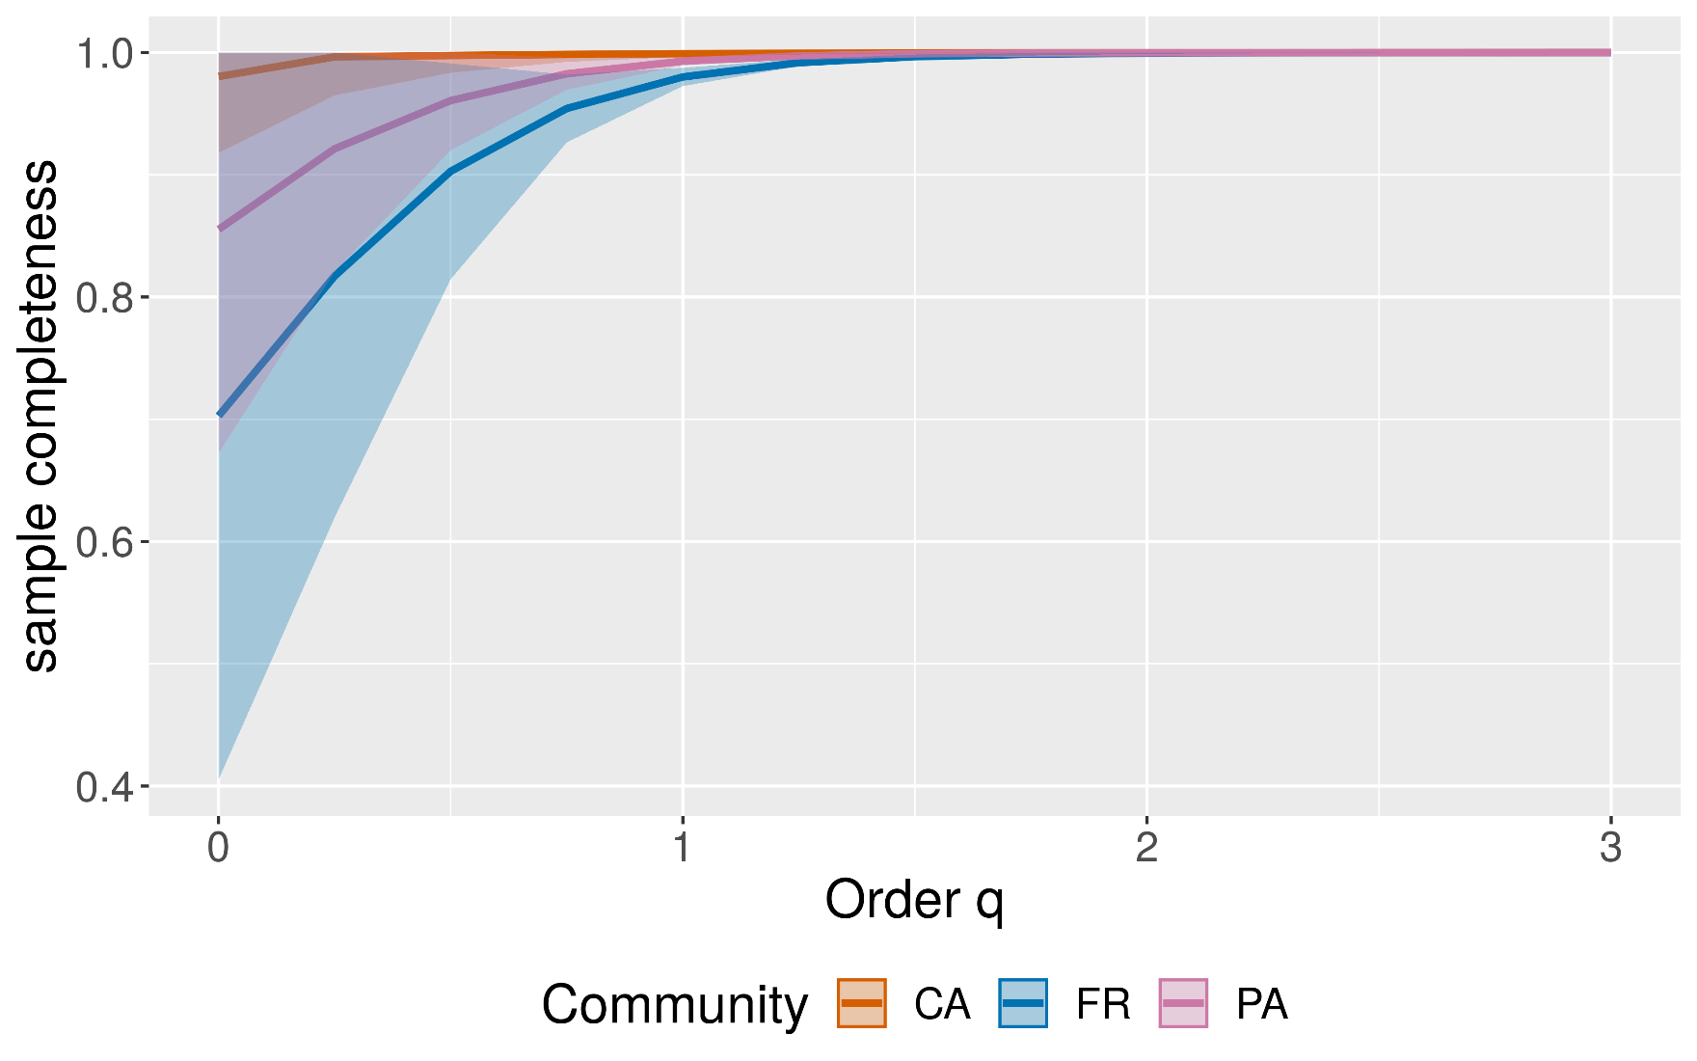
11 | 2.500 | 1.000 | 0.000 | 1.000 | 1.000 | CA |  | 9 | 2.000 | 1.000 | 0.000 | 1.000 | 1.000 | CA
12 | 2.750 | 1.000 | 0.000 | 1.000 | 1.000 | CA |  | 10 | 2.250 | 1.000 | 0.000 | 1.000 | 1.000 | CA
13 | 3.000 | 1.000 | 0.000 | 1.000 | 1.000 | CA |  | 11 | 2.500 | 1.000 | 0.000 | 1.000 | 1.000 | CA
14 | 0.000 | 0.855 | 0.089 | 0.681 | 1.000 | PA |  | 12 | 2.750 | 1.000 | 0.000 | 1.000 | 1.000 | CA
15 | 0.250 | 0.921 | 0.048 | 0.827 | 1.000 | PA |  | 13 | 3.000 | 1.000 | 0.000 | 1.000 | 1.000 | CA
16 | 0.500 | 0.961 | 0.019 | 0.923 | 0.998 | PA |  | 14 | 0.000 | 0.855 | 0.089 | 0.681 | 1.000 | PA
17 | 0.750 | 0.983 | 0.006 | 0.971 | 0.995 | PA |  | 15 | 0.250 | 0.921 | 0.048 | 0.827 | 1.000 | PA
18 | 1.000 | 0.993 | 0.002 | 0.989 | 0.996 | PA |  | 16 | 0.500 | 0.961 | 0.019 | 0.923 | 0.998 | PA
19 | 1.250 | 0.997 | 0.001 | 0.996 | 0.998 | PA |  | 17 | 0.750 | 0.983 | 0.006 | 0.971 | 0.995 | PA
20 | 1.500 | 0.999 | 0.000 | 0.999 | 0.999 | PA |  | 18 | 1.000 | 0.993 | 0.002 | 0.989 | 0.996 | PA
21 | 1.750 | 1.000 | 0.000 | 0.999 | 1.000 | PA |  | 19 | 1.250 | 0.997 | 0.001 | 0.996 | 0.998 | PA
22 | 2.000 | 1.000 | 0.000 | 1.000 | 1.000 | PA |  | 20 | 1.500 | 0.999 | 0.000 | 0.999 | 0.999 | PA
23 | 2.250 | 1.000 | 0.000 | 1.000 | 1.000 | PA |  | 21 | 1.750 | 1.000 | 0.000 | 0.999 | 1.000 | PA
24 | 2.500 | 1.000 | 0.000 | 1.000 | 1.000 | PA |  | 22 | 2.000 | 1.000 | 0.000 | 1.000 | 1.000 | PA
25 | 2.750 | 1.000 | 0.000 | 1.000 | 1.000 | PA |  | 23 | 2.250 | 1.000 | 0.000 | 1.000 | 1.000 | PA
26 | 3.000 | 1.000 | 0.000 | 1.000 | 1.000 | PA |  | 24 | 2.500 | 1.000 | 0.000 | 1.000 | 1.000 | PA
27 | 0.000 | 0.703 | 0.101 | 0.504 | 0.901 | FR |  | 25 | 2.750 | 1.000 | 0.000 | 1.000 | 1.000 | PA
28 | 0.250 | 0.817 | 0.062 | 0.695 | 0.939 | FR |  | 26 | 3.000 | 1.000 | 0.000 | 1.000 | 1.000 | PA
29 | 0.500 | 0.903 | 0.030 | 0.845 | 0.961 | FR |  | 27 | 0.000 | 0.703 | 0.101 | 0.504 | 0.901 | FR
30 | 0.750 | 0.954 | 0.011 | 0.932 | 0.977 | FR |  | 28 | 0.250 | 0.817 | 0.062 | 0.695 | 0.939 | FR
31 | 1.000 | 0.980 | 0.004 | 0.972 | 0.988 | FR |  | 29 | 0.500 | 0.903 | 0.030 | 0.845 | 0.961 | FR
32 | 1.250 | 0.992 | 0.002 | 0.989 | 0.995 | FR |  | 30 | 0.750 | 0.954 | 0.011 | 0.932 | 0.977 | FR
33 | 1.500 | 0.997 | 0.001 | 0.995 | 0.998 | FR |  | 31 | 1.000 | 0.980 | 0.004 | 0.972 | 0.988 | FR
34 | 1.750 | 0.999 | 0.000 | 0.998 | 1.000 | FR |  | 32 | 1.250 | 0.992 | 0.002 | 0.989 | 0.995 | FR
35 | 2.000 | 0.999 | 0.000 | 0.999 | 1.000 | FR |  | 33 | 1.500 | 0.997 | 0.001 | 0.995 | 0.998 | FR
36 | 2.250 | 1.000 | 0.000 | 0.999 | 1.000 | FR |  | 34 | 1.750 | 0.999 | 0.000 | 0.998 | 1.000 | FR
37 | 2.500 | 1.000 | 0.000 | 1.000 | 1.000 | FR |  | 35 | 2.000 | 0.999 | 0.000 | 0.999 | 1.000 | FR
38 | 2.750 | 1.000 | 0.000 | 1.000 | 1.000 | FR |  | 36 | 2.250 | 1.000 | 0.000 | 0.999 | 1.000 | FR
39 | 3.000 | 1.000 | 0.000 | 1.000 | 1.000 | FR |  | 37 | 2.500 | 1.000 | 0.000 | 1.000 | 1.000 | FR
 |  |  |  |  |  |  |  | 38 | 2.750 | 1.000 | 0.000 | 1.000 | 1.000 | FR
 |  |  |  |  |  |  |  | 39 | 3.000 | 1.000 | 0.000 | 1.000 | 1.000 | FR

Análisis Asintótico
Análisis Asintótico
 |  |  |  |  |  |  |  |  |  |  | Diversidad y entropía estimadas para cada orden (estimados)
Perfiles de diversidad estimados (estimados) | # | Order.q | Target | Estimate | s.e. | LCL | UCL | Assemblage |  | Diversidad y entropía estimadas para cada orden (estimados)
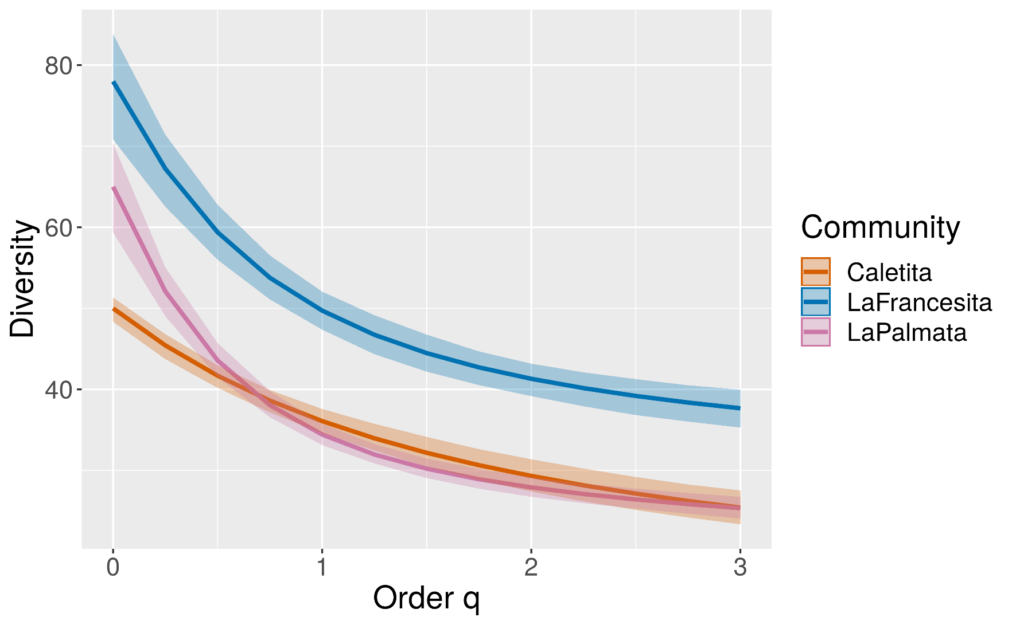
 | 1 | 0 | Diversity | 50.25 | 2.88 | 46.85 | 56.86 | CA |  |  |  | # | Orden q | Objetivo | Estimación | s.e. | LCL | UCL | Sitio
 | 2 | 0.25 | Diversity | 46.10 | 1.32 | 43.94 | 48.91 | CA |  |  |  | 1 | 0 | Diversity | 50.25 | 2.88 | 46.85 | 56.86 | CA
 | 3 | 0.5 | Diversity | 42.55 | 0.85 | 40.84 | 43.99 | CA | Notes |  |  | 2 | 0.25 | Diversity | 46.10 | 1.32 | 43.94 | 48.91 | CA
 | 4 | 0.75 | Diversity | 39.55 | 0.84 | 37.82 | 41.14 | CA | Order = the diversity order of q between 0 and 3 in increments of 0.25 (or those orders you type in the input window). |  |  | 3 | 0.5 | Diversity | 42.55 | 0.85 | 40.84 | 43.99 | CA
 | 5 | 1 | Diversity | 37.02 | 0.91 | 35.25 | 38.74 | CA | Target = diversity or entropy. |  |  | 4 | 0.75 | Diversity | 39.55 | 0.84 | 37.82 | 41.14 | CA
 | 6 | 1.25 | Diversity | 34.89 | 0.97 | 33.09 | 36.59 | CA | Estimate = diversity or entropy estimated by Chao and Jost (2015) method. |  |  | 5 | 1 | Diversity | 37.02 | 0.91 | 35.25 | 38.74 | CA
 | 7 | 1.5 | Diversity | 33.08 | 1.03 | 31.21 | 34.87 | CA | LCL, UCL = the bootstrap lower and upper confidence limits for the diversity or entropy of order q at the specified level (with a default value of 0.95). |  |  | 6 | 1.25 | Diversity | 34.89 | 0.97 | 33.09 | 36.59 | CA
 | 8 | 1.75 | Diversity | 31.53 | 1.08 | 29.62 | 33.41 | CA |  |  |  | 7 | 1.5 | Diversity | 33.08 | 1.03 | 31.21 | 34.87 | CA
 | 9 | 2 | Diversity | 30.19 | 1.13 | 28.27 | 32.25 | CA |  |  |  | 8 | 1.75 | Diversity | 31.53 | 1.08 | 29.62 | 33.41 | CA
 | 10 | 2.25 | Diversity | 29.02 | 1.18 | 26.99 | 31.24 | CA |  |  |  | 9 | 2 | Diversity | 30.19 | 1.13 | 28.27 | 32.25 | CA
 | 11 | 2.5 | Diversity | 28.00 | 1.22 | 25.89 | 30.29 | CA |  |  |  | 10 | 2.25 | Diversity | 29.02 | 1.18 | 26.99 | 31.24 | CA
 | 12 | 2.75 | Diversity | 27.08 | 1.26 | 24.90 | 29.42 | CA |  |  |  | 11 | 2.5 | Diversity | 28.00 | 1.22 | 25.89 | 30.29 | CA
 | 13 | 3 | Diversity | 26.26 | 1.30 | 23.94 | 28.73 | CA |  |  |  | 12 | 2.75 | Diversity | 27.08 | 1.26 | 24.90 | 29.42 | CA
 | 14 | 0 | Entropy | 49.25 | 2.88 | 46.37 | 52.13 | CA |  |  |  | 13 | 3 | Diversity | 26.26 | 1.30 | 23.94 | 28.73 | CA
 | 15 | 0.25 | Entropy | 22.25 | 1.32 | 20.93 | 23.58 | CA |  |  |  | 14 | 0 | Entropy | 49.25 | 2.88 | 46.37 | 52.13 | CA
 | 16 | 0.5 | Entropy | 11.05 | 0.85 | 10.19 | 11.90 | CA |  |  |  | 15 | 0.25 | Entropy | 22.25 | 1.32 | 20.93 | 23.58 | CA
 | 17 | 0.75 | Entropy | 6.03 | 0.84 | 5.19 | 6.87 | CA |  |  |  | 16 | 0.5 | Entropy | 11.05 | 0.85 | 10.19 | 11.90 | CA
 | 18 | 1 | Entropy | 3.61 | 0.91 | 2.70 | 4.52 | CA |  |  |  | 17 | 0.75 | Entropy | 6.03 | 0.84 | 5.19 | 6.87 | CA
 | 19 | 1.25 | Entropy | 2.35 | 0.97 | 1.38 | 3.33 | CA |  |  |  | 18 | 1 | Entropy | 3.61 | 0.91 | 2.70 | 4.52 | CA
 | 20 | 1.5 | Entropy | 1.65 | 1.03 | 0.62 | 2.68 | CA |  |  |  | 19 | 1.25 | Entropy | 2.35 | 0.97 | 1.38 | 3.33 | CA
 | 21 | 1.75 | Entropy | 1.23 | 1.08 | 0.15 | 2.32 | CA |  |  |  | 20 | 1.5 | Entropy | 1.65 | 1.03 | 0.62 | 2.68 | CA
 | 22 | 2 | Entropy | 0.97 | 1.13 | -0.16 | 2.10 | CA |  |  |  | 21 | 1.75 | Entropy | 1.23 | 1.08 | 0.15 | 2.32 | CA
 | 23 | 2.25 | Entropy | 0.79 | 1.18 | -0.39 | 1.97 | CA |  |  |  | 22 | 2 | Entropy | 0.97 | 1.13 | -0.16 | 2.10 | CA
 | 24 | 2.5 | Entropy | 0.66 | 1.22 | -0.56 | 1.88 | CA |  |  |  | 23 | 2.25 | Entropy | 0.79 | 1.18 | -0.39 | 1.97 | CA
 | 25 | 2.75 | Entropy | 0.57 | 1.26 | -0.69 | 1.83 | CA |  |  |  | 24 | 2.5 | Entropy | 0.66 | 1.22 | -0.56 | 1.88 | CA
 | 26 | 3 | Entropy | 0.50 | 1.30 | -0.80 | 1.80 | CA |  |  |  | 25 | 2.75 | Entropy | 0.57 | 1.26 | -0.69 | 1.83 | CA
 | 27 | 0 | Diversity | 75.08 | 10.85 | 62.39 | 108.17 | PA |  |  |  | 26 | 3 | Entropy | 0.50 | 1.30 | -0.80 | 1.80 | CA
 | 28 | 0.25 | Diversity | 57.40 | 4.15 | 51.72 | 69.61 | PA |  |  |  | 27 | 0 | Diversity | 75.08 | 10.85 | 62.39 | 108.17 | PA
 | 29 | 0.5 | Diversity | 46.28 | 1.66 | 43.11 | 49.94 | PA |  |  |  | 28 | 0.25 | Diversity | 57.40 | 4.15 | 51.72 | 69.61 | PA
 | 30 | 0.75 | Diversity | 39.51 | 0.96 | 37.52 | 41.44 | PA |  |  |  | 29 | 0.5 | Diversity | 46.28 | 1.66 | 43.11 | 49.94 | PA
 | 31 | 1 | Diversity | 35.32 | 0.76 | 33.67 | 36.78 | PA |  |  |  | 30 | 0.75 | Diversity | 39.51 | 0.96 | 37.52 | 41.44 | PA
 | 32 | 1.25 | Diversity | 32.61 | 0.69 | 31.18 | 33.86 | PA |  |  |  | 31 | 1 | Diversity | 35.32 | 0.76 | 33.67 | 36.78 | PA
 | 33 | 1.5 | Diversity | 30.76 | 0.65 | 29.46 | 31.85 | PA |  |  |  | 32 | 1.25 | Diversity | 32.61 | 0.69 | 31.18 | 33.86 | PA
 | 34 | 1.75 | Diversity | 29.42 | 0.64 | 28.20 | 30.55 | PA |  |  |  | 33 | 1.5 | Diversity | 30.76 | 0.65 | 29.46 | 31.85 | PA
 | 35 | 2 | Diversity | 28.40 | 0.64 | 27.22 | 29.63 | PA |  |  |  | 34 | 1.75 | Diversity | 29.42 | 0.64 | 28.20 | 30.55 | PA
 | 36 | 2.25 | Diversity | 27.60 | 0.65 | 26.49 | 28.92 | PA |  |  |  | 35 | 2 | Diversity | 28.40 | 0.64 | 27.22 | 29.63 | PA
 | 37 | 2.5 | Diversity | 26.94 | 0.67 | 25.90 | 28.35 | PA |  |  |  | 36 | 2.25 | Diversity | 27.60 | 0.65 | 26.49 | 28.92 | PA
 | 38 | 2.75 | Diversity | 26.39 | 0.70 | 25.26 | 27.85 | PA |  |  |  | 37 | 2.5 | Diversity | 26.94 | 0.67 | 25.90 | 28.35 | PA
 | 39 | 3 | Diversity | 25.91 | 0.73 | 24.66 | 27.44 | PA |  |  |  | 38 | 2.75 | Diversity | 26.39 | 0.70 | 25.26 | 27.85 | PA
 | 40 | 0 | Entropy | 74.08 | 10.85 | 63.22 | 84.93 | PA |  |  |  | 39 | 3 | Diversity | 25.91 | 0.73 | 24.66 | 27.44 | PA
 | 41 | 0.25 | Entropy | 26.47 | 4.15 | 22.33 | 30.62 | PA |  |  |  | 40 | 0 | Entropy | 74.08 | 10.85 | 63.22 | 84.93 | PA
 | 42 | 0.5 | Entropy | 11.61 | 1.66 | 9.95 | 13.26 | PA |  |  |  | 41 | 0.25 | Entropy | 26.47 | 4.15 | 22.33 | 30.62 | PA
 | 43 | 0.75 | Entropy | 6.03 | 0.96 | 5.07 | 6.99 | PA |  |  |  | 42 | 0.5 | Entropy | 11.61 | 1.66 | 9.95 | 13.26 | PA
 | 44 | 1 | Entropy | 3.56 | 0.76 | 2.80 | 4.33 | PA |  |  |  | 43 | 0.75 | Entropy | 6.03 | 0.96 | 5.07 | 6.99 | PA
 | 45 | 1.25 | Entropy | 2.33 | 0.69 | 1.64 | 3.01 | PA |  |  |  | 44 | 1 | Entropy | 3.56 | 0.76 | 2.80 | 4.33 | PA
 | 46 | 1.5 | Entropy | 1.64 | 0.65 | 0.99 | 2.29 | PA |  |  |  | 45 | 1.25 | Entropy | 2.33 | 0.69 | 1.64 | 3.01 | PA
 | 47 | 1.75 | Entropy | 1.23 | 0.64 | 0.59 | 1.86 | PA |  |  |  | 46 | 1.5 | Entropy | 1.64 | 0.65 | 0.99 | 2.29 | PA
 | 48 | 2 | Entropy | 0.96 | 0.64 | 0.33 | 1.60 | PA |  |  |  | 47 | 1.75 | Entropy | 1.23 | 0.64 | 0.59 | 1.86 | PA
 | 49 | 2.25 | Entropy | 0.79 | 0.65 | 0.14 | 1.44 | PA |  |  |  | 48 | 2 | Entropy | 0.96 | 0.64 | 0.33 | 1.60 | PA
 | 50 | 2.5 | Entropy | 0.66 | 0.67 | -0.01 | 1.33 | PA |  |  |  | 49 | 2.25 | Entropy | 0.79 | 0.65 | 0.14 | 1.44 | PA
 | 51 | 2.75 | Entropy | 0.57 | 0.70 | -0.13 | 1.27 | PA |  |  |  | 50 | 2.5 | Entropy | 0.66 | 0.67 | -0.01 | 1.33 | PA
 | 52 | 3 | Entropy | 0.50 | 0.73 | -0.23 | 1.23 | PA |  |  |  | 51 | 2.75 | Entropy | 0.57 | 0.70 | -0.13 | 1.27 | PA
 | 53 | 0 | Diversity | 110.36 | 21.20 | 85.02 | 163.73 | FR |  |  |  | 52 | 3 | Entropy | 0.50 | 0.73 | -0.23 | 1.23 | PA
 | 54 | 0.25 | Diversity | 84.62 | 9.78 | 70.85 | 109.06 | FR |  |  |  | 53 | 0 | Diversity | 110.36 | 21.20 | 85.02 | 163.73 | FR
 | 55 | 0.5 | Diversity | 68.52 | 4.23 | 61.36 | 77.80 | FR |  |  |  | 54 | 0.25 | Diversity | 84.62 | 9.78 | 70.85 | 109.06 | FR
 | 56 | 0.75 | Diversity | 58.84 | 2.12 | 54.82 | 62.39 | FR |  |  |  | 55 | 0.5 | Diversity | 68.52 | 4.23 | 61.36 | 77.80 | FR
 | 57 | 1 | Diversity | 52.92 | 1.50 | 49.68 | 55.56 | FR |  |  |  | 56 | 0.75 | Diversity | 58.84 | 2.12 | 54.82 | 62.39 | FR
 | 58 | 1.25 | Diversity | 49.13 | 1.34 | 46.35 | 51.38 | FR |  |  |  | 57 | 1 | Diversity | 52.92 | 1.50 | 49.68 | 55.56 | FR
 | 59 | 1.5 | Diversity | 46.54 | 1.28 | 43.96 | 48.80 | FR |  |  |  | 58 | 1.25 | Diversity | 49.13 | 1.34 | 46.35 | 51.38 | FR
 | 60 | 1.75 | Diversity | 44.66 | 1.27 | 42.16 | 46.97 | FR |  |  |  | 59 | 1.5 | Diversity | 46.54 | 1.28 | 43.96 | 48.80 | FR
 | 61 | 2 | Diversity | 43.25 | 1.27 | 40.61 | 45.55 | FR |  |  |  | 60 | 1.75 | Diversity | 44.66 | 1.27 | 42.16 | 46.97 | FR
 | 62 | 2.25 | Diversity | 42.14 | 1.29 | 39.47 | 44.56 | FR |  |  |  | 61 | 2 | Diversity | 43.25 | 1.27 | 40.61 | 45.55 | FR
 | 63 | 2.5 | Diversity | 41.24 | 1.32 | 38.53 | 43.65 | FR |  |  |  | 62 | 2.25 | Diversity | 42.14 | 1.29 | 39.47 | 44.56 | FR
 | 64 | 2.75 | Diversity | 40.50 | 1.35 | 37.75 | 43.02 | FR |  |  |  | 63 | 2.5 | Diversity | 41.24 | 1.32 | 38.53 | 43.65 | FR
 | 65 | 3 | Diversity | 39.89 | 1.38 | 37.10 | 42.53 | FR |  |  |  | 64 | 2.75 | Diversity | 40.50 | 1.35 | 37.75 | 43.02 | FR
 | 66 | 0 | Entropy | 109.36 | 21.20 | 88.16 | 130.57 | FR |  |  |  | 65 | 3 | Diversity | 39.89 | 1.38 | 37.10 | 42.53 | FR
 | 67 | 0.25 | Entropy | 35.87 | 9.78 | 26.09 | 45.65 | FR |  |  |  | 66 | 0 | Entropy | 109.36 | 21.20 | 88.16 | 130.57 | FR
 | 68 | 0.5 | Entropy | 14.56 | 4.23 | 10.32 | 18.79 | FR |  |  |  | 67 | 0.25 | Entropy | 35.87 | 9.78 | 26.09 | 45.65 | FR
 | 69 | 0.75 | Entropy | 7.08 | 2.12 | 4.96 | 9.20 | FR |  |  |  | 68 | 0.5 | Entropy | 14.56 | 4.23 | 10.32 | 18.79 | FR
 | 70 | 1 | Entropy | 3.97 | 1.50 | 2.47 | 5.47 | FR |  |  |  | 69 | 0.75 | Entropy | 7.08 | 2.12 | 4.96 | 9.20 | FR
 | 71 | 1.25 | Entropy | 2.49 | 1.34 | 1.15 | 3.83 | FR |  |  |  | 70 | 1 | Entropy | 3.97 | 1.50 | 2.47 | 5.47 | FR
 | 72 | 1.5 | Entropy | 1.71 | 1.28 | 0.42 | 2.99 | FR |  |  |  | 71 | 1.25 | Entropy | 2.49 | 1.34 | 1.15 | 3.83 | FR
 | 73 | 1.75 | Entropy | 1.26 | 1.27 | -0.01 | 2.53 | FR |  |  |  | 72 | 1.5 | Entropy | 1.71 | 1.28 | 0.42 | 2.99 | FR
 | 74 | 2 | Entropy | 0.98 | 1.27 | -0.30 | 2.25 | FR |  |  |  | 73 | 1.75 | Entropy | 1.26 | 1.27 | -0.01 | 2.53 | FR
 | 75 | 2.25 | Entropy | 0.79 | 1.29 | -0.50 | 2.08 | FR |  |  |  | 74 | 2 | Entropy | 0.98 | 1.27 | -0.30 | 2.25 | FR
 | 76 | 2.5 | Entropy | 0.66 | 1.32 | -0.65 | 1.98 | FR |  |  |  | 75 | 2.25 | Entropy | 0.79 | 1.29 | -0.50 | 2.08 | FR
 | 77 | 2.75 | Entropy | 0.57 | 1.35 | -0.77 | 1.92 | FR |  |  |  | 76 | 2.5 | Entropy | 0.66 | 1.32 | -0.65 | 1.98 | FR
 | 78 | 3 | Entropy | 0.50 | 1.38 | -0.88 | 1.88 | FR |  |  |  | 77 | 2.75 | Entropy | 0.57 | 1.35 | -0.77 | 1.92 | FR
 |  |  |  |  |  |  |  |  |  |  |  | 78 | 3 | Entropy | 0.50 | 1.38 | -0.88 | 1.88 | FR

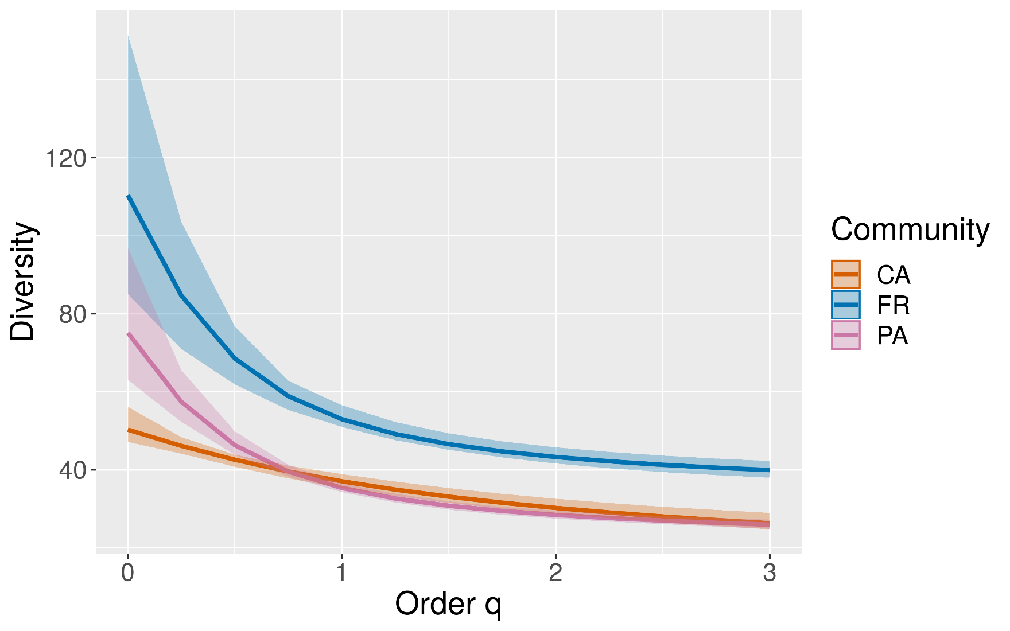
Perfiles de diversidad estimados (empíricos) | # | Order.q | Target | Empirical | s.e. | LCL | UCL | Assemblage
 | 1 | 0 | Diversity | 50.00 | 1.01 | 48.34 | 51.34 | CA
 | 2 | 0.25 | Diversity | 45.43 | 0.76 | 43.73 | 46.81 | CA
 | 3 | 0.5 | Diversity | 41.69 | 0.71 | 40.19 | 42.98 | CA
 | 4 | 0.75 | Diversity | 38.62 | 0.73 | 37.16 | 39.92 | CA | Diversidad y entropía estimadas para cada orden (empíricos)
 | 5 | 1 | Diversity | 36.08 | 0.78 | 34.59 | 37.59 | CA
 | 6 | 1.25 | Diversity | 33.97 | 0.83 | 32.45 | 35.76 | CA
 | 7 | 1.5 | Diversity | 32.18 | 0.88 | 30.48 | 34.14 | CA
 | 8 | 1.75 | Diversity | 30.65 | 0.92 | 28.81 | 32.63 | CA
 | 9 | 2 | Diversity | 29.33 | 0.97 | 27.40 | 31.39 | CA
 | 10 | 2.25 | Diversity | 28.17 | 1.00 | 26.19 | 30.23 | CA
 | 11 | 2.5 | Diversity | 27.15 | 1.04 | 25.13 | 29.19 | CA | Notes
 | 12 | 2.75 | Diversity | 26.24 | 1.07 | 24.20 | 28.28 | CA | Order = the diversity order of q between 0 and 3 in increments of 0.25 (or those orders you type in the input window).
 | 13 | 3 | Diversity | 25.42 | 1.10 | 23.37 | 27.54 | CA | Target = diversity or entropy.
 | 14 | 0 | Entropy | 49.00 | 1.01 | 47.99 | 50.01 | CA | Empirical = observed diversity or entropy.
 | 15 | 0.25 | Entropy | 22.00 | 0.76 | 21.23 | 22.76 | CA | LCL, UCL = the bootstrap lower and upper confidence limits for the diversity or entropy of order q at the specified level (with a default value of 0.95).
 | 16 | 0.5 | Entropy | 10.91 | 0.71 | 10.20 | 11.62 | CA | tab-4205-4
 | 17 | 0.75 | Entropy | 5.97 | 0.73 | 5.24 | 6.70 | CA
 | 18 | 1 | Entropy | 3.59 | 0.78 | 2.81 | 4.37 | CA
 | 19 | 1.25 | Entropy | 2.34 | 0.83 | 1.51 | 3.17 | CA
 | 20 | 1.5 | Entropy | 1.65 | 0.88 | 0.77 | 2.53 | CA
 | 21 | 1.75 | Entropy | 1.23 | 0.92 | 0.31 | 2.15 | CA
 | 22 | 2 | Entropy | 0.97 | 0.97 | 0.00 | 1.93 | CA
 | 23 | 2.25 | Entropy | 0.79 | 1.00 | -0.22 | 1.79 | CA
 | 24 | 2.5 | Entropy | 0.66 | 1.04 | -0.38 | 1.70 | CA
 | 25 | 2.75 | Entropy | 0.57 | 1.07 | -0.50 | 1.64 | CA
 | 26 | 3 | Entropy | 0.50 | 1.10 | -0.61 | 1.60 | CA
 | 27 | 0 | Diversity | 65.00 | 2.62 | 59.36 | 70.36 | PA
 | 28 | 0.25 | Diversity | 52.09 | 1.63 | 49.01 | 55.04 | PA
 | 29 | 0.5 | Diversity | 43.57 | 1.08 | 41.51 | 45.72 | PA
 | 30 | 0.75 | Diversity | 38.05 | 0.81 | 36.55 | 39.79 | PA
 | 31 | 1 | Diversity | 34.43 | 0.70 | 33.13 | 35.78 | PA
 | 32 | 1.25 | Diversity | 31.97 | 0.65 | 30.87 | 33.25 | PA
 | 33 | 1.5 | Diversity | 30.22 | 0.62 | 29.06 | 31.47 | PA
 | 34 | 1.75 | Diversity | 28.92 | 0.62 | 27.75 | 30.17 | PA
 | 35 | 2 | Diversity | 27.91 | 0.62 | 26.75 | 29.18 | PA
 | 36 | 2.25 | Diversity | 27.10 | 0.63 | 25.97 | 28.40 | PA
 | 37 | 2.5 | Diversity | 26.43 | 0.64 | 25.30 | 27.76 | PA
 | 38 | 2.75 | Diversity | 25.85 | 0.67 | 24.66 | 27.22 | PA
 | 39 | 3 | Diversity | 25.35 | 0.69 | 24.06 | 26.75 | PA
 | 40 | 0 | Entropy | 64.00 | 2.62 | 61.38 | 66.62 | PA
 | 41 | 0.25 | Entropy | 24.52 | 1.63 | 22.89 | 26.15 | PA
 | 42 | 0.5 | Entropy | 11.20 | 1.08 | 10.12 | 12.28 | PA
 | 43 | 0.75 | Entropy | 5.93 | 0.81 | 5.12 | 6.75 | PA
 | 44 | 1 | Entropy | 3.54 | 0.70 | 2.84 | 4.24 | PA
 | 45 | 1.25 | Entropy | 2.32 | 0.65 | 1.67 | 2.96 | PA
 | 46 | 1.5 | Entropy | 1.64 | 0.62 | 1.01 | 2.26 | PA
 | 47 | 1.75 | Entropy | 1.23 | 0.62 | 0.61 | 1.84 | PA
 | 48 | 2 | Entropy | 0.96 | 0.62 | 0.35 | 1.58 | PA
 | 49 | 2.25 | Entropy | 0.79 | 0.63 | 0.16 | 1.42 | PA
 | 50 | 2.5 | Entropy | 0.66 | 0.64 | 0.02 | 1.31 | PA
 | 51 | 2.75 | Entropy | 0.57 | 0.67 | -0.10 | 1.23 | PA
 | 52 | 3 | Entropy | 0.50 | 0.69 | -0.19 | 1.19 | PA
 | 53 | 0 | Diversity | 78.00 | 3.27 | 70.84 | 83.84 | FR
 | 54 | 0.25 | Diversity | 67.21 | 2.35 | 62.52 | 71.40 | FR
 | 55 | 0.5 | Diversity | 59.38 | 1.78 | 55.99 | 62.78 | FR
 | 56 | 0.75 | Diversity | 53.77 | 1.46 | 51.10 | 56.53 | FR
 | 57 | 1 | Diversity | 49.72 | 1.28 | 47.37 | 52.06 | FR
 | 58 | 1.25 | Diversity | 46.73 | 1.20 | 44.34 | 49.15 | FR
 | 59 | 1.5 | Diversity | 44.48 | 1.15 | 42.19 | 46.76 | FR
 | 60 | 1.75 | Diversity | 42.72 | 1.14 | 40.53 | 44.69 | FR
 | 61 | 2 | Diversity | 41.31 | 1.14 | 39.17 | 43.18 | FR
 | 62 | 2.25 | Diversity | 40.16 | 1.14 | 37.92 | 42.10 | FR
 | 63 | 2.5 | Diversity | 39.20 | 1.16 | 36.83 | 41.27 | FR
 | 64 | 2.75 | Diversity | 38.38 | 1.18 | 36.03 | 40.51 | FR
 | 65 | 3 | Diversity | 37.67 | 1.20 | 35.29 | 39.97 | FR
 | 66 | 0 | Entropy | 77.00 | 3.27 | 73.73 | 80.27 | FR
 | 67 | 0.25 | Entropy | 29.97 | 2.35 | 27.62 | 32.31 | FR
 | 68 | 0.5 | Entropy | 13.41 | 1.78 | 11.63 | 15.19 | FR
 | 69 | 0.75 | Entropy | 6.83 | 1.46 | 5.38 | 8.29 | FR
 | 70 | 1 | Entropy | 3.91 | 1.28 | 2.62 | 5.19 | FR
 | 71 | 1.25 | Entropy | 2.47 | 1.20 | 1.27 | 3.67 | FR
 | 72 | 1.5 | Entropy | 1.70 | 1.15 | 0.55 | 2.85 | FR
 | 73 | 1.75 | Entropy | 1.25 | 1.14 | 0.12 | 2.39 | FR
 | 74 | 2 | Entropy | 0.98 | 1.14 | -0.16 | 2.11 | FR
 | 75 | 2.25 | Entropy | 0.79 | 1.14 | -0.35 | 1.94 | FR
 | 76 | 2.5 | Entropy | 0.66 | 1.16 | -0.49 | 1.82 | FR
 | 77 | 2.75 | Entropy | 0.57 | 1.18 | -0.61 | 1.75 | FR
 | 78 | 3 | Entropy | 0.50 | 1.20 | -0.70 | 1.70 | FR

